Instruction
 | INSTRUCTION TO FILL UP THE TEMPLATE SHEET.

1 | Download Blanking dimensions from thread vendor website
2 | See drawing for quick reference at the bottom of this sheet. User can use this sheet to visualise (or create rough sketch) and select the applicable Template sheet from table below based on that:
 | Template Sheet |  | CROSS SECTION | Template Sheet | CROSS SECTION | Template Sheet | CROSS SECTION | Template Sheet | CROSS SECTION
 | CP_ACCESSORY-01 |  |  | CP_ACCESSORY-06 |  | CP_ACCESSORY-11 |  | CP_ACCESSORY-16 (For Integral Pup joint)

 | CP_ACCESSORY-02 |  |  | CP_ACCESSORY-07 |  | CP_ACCESSORY-12 |  | CP_ACCESSORY-17 (For Integral Pup joint)

 | CP_ACCESSORY-03 |  |  | CP_ACCESSORY-08 |  | CP_ACCESSORY-13 |  | CP_ACCESSORY-18 (For Integral Pup joint)

 | CP_ACCESSORY-04 |  |  | CP_ACCESSORY-09 |  | CP_ACCESSORY-14 |  | CP_ACCESSORY-19 (For Integral Pup joint)

 | CP_ACCESSORY-05 |  |  | CP_ACCESSORY-10 |  | CP_ACCESSORY-15 |  | CP_ACCESSORY-20

 | NOTE: | For Integral Pup joints (sheets from CP_ACCESSORY-16 to 19), Length L2 = External Blanking length + 3 inch = XX.XX (Write the length with 2 decimal points)

3 | Fill up the respective Template sheet from CP-ACCESSORY-01 to -20.
 | - The grey out area in sheet is not required to be filled. It's either auto filled or locked.
 | - Fill up the Part Number, Description and revision of the part. The Max OD, Min ID and Max Length can be calculated from BODY dimensions.
 | - Fill up the material and keep temperature as 70 deg (which is Ambient). If Burst/Collapse/Tensile/Compression is required at temperature other than 70 deg then fill that value and calculate B/C/T/C at required temperature.
 | - Fill "NA" if any attribute is not applicable. Eg. If pressure test is not requested then fill "NA" in Test Pressure and Test Fixture field.
 | - Fill QCP as STANDARD for all regular orders. If QCP is required then fill up with appropriate details. E.g. CNOOC, ENI etc.
 | - Get the Blanking dimensions and Connection Data sheets from thread vendor websites and fill in appropriate fields.
 | - Use NOTES section to add any additional informations. Eg. "Top thread is with ONE thread re-cut length" or any other applicable information.
 | - Add Review#.
4 | Save the sheet as PDF.
5 | Rename the sheet with Part number.
6 | Digitally sign the Engineer field in Adobe PDF.
7 | Send digitally signed PDF to reviewer and approver for their review and approval.

 | 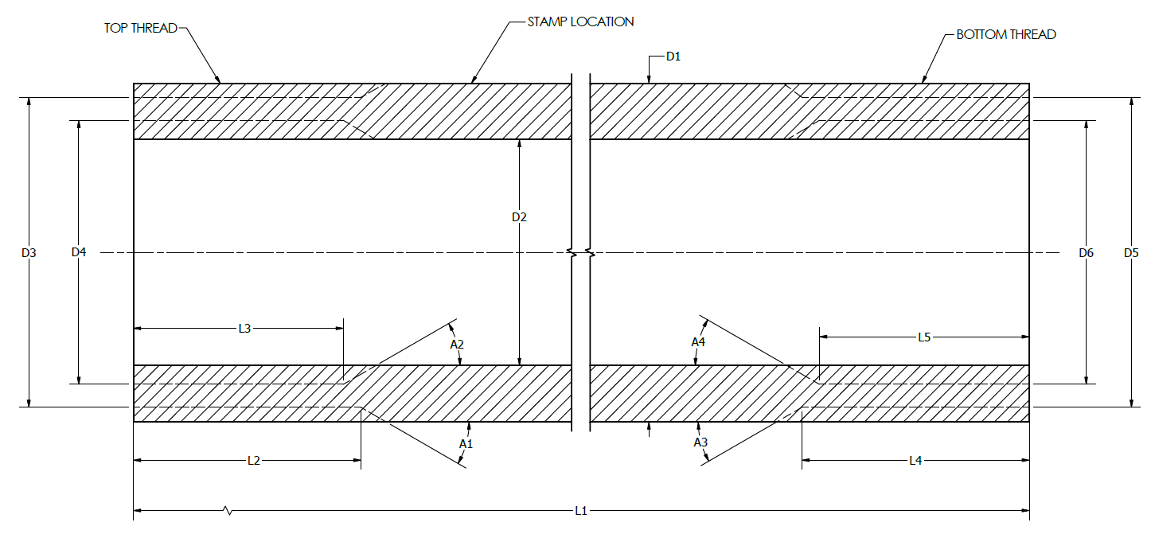

CP_ACCESSORY-06
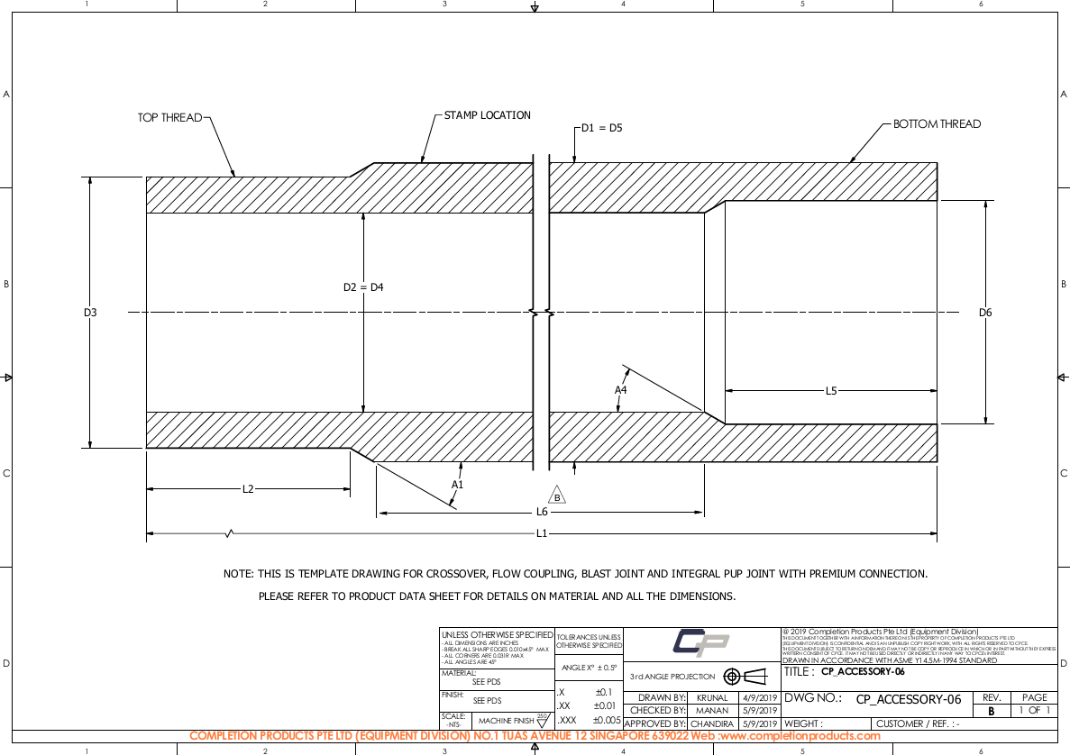
 | 0 | 0 |  | Engineer
 |  |  |  | Checker
 | QCP : |  |  | Approver

Part Number |  | Issue / Rev |  | Body
Drawing Number | CP_ACCESSORY-06 | Issue / Rev | A | OD | D1 | 0 | inch
Description |  |  |  | ID | D2 | 0 | inch
 | x , |  |  | Overall Length | L1 |  | inch
 |  |  |  | Transition Length | L6 |  | inch

 |  |  |  | Top thread
OD (max) |  | inch |  | OD | D3 |  | inch
ID (min) |  | inch |  | ID | D4 |  | inch
Overall Length (max) |  | inch |  | Length (External) | L2 |  | inch
 |  |  |  | Angle (External) | A1 |  | deg
 |  |  |  | Length (Internal) | L3 | NA | inch
Material |  |  |  | Angle (Internal) | A2 | NA | deg
Operating Temperature | 70 | deg F
 | (For Ambient, use 70)
 |  |  |  | Bottom thread
Tensile @ 70 deg F |  | lbs |  | OD | D5 |  | inch
Compression @ 70 deg F |  | lbs |  | ID | D6 |  | inch
Burst @ 70 deg F |  | psi |  | Length (External) | L4 | NA | inch
Collapse @ 70 deg F |  | psi |  | Angle (External) | A3 | NA | deg
 |  |  |  | Length (Internal) | L5 |  | inch
 |  |  |  | Angle (Internal) | A4 |  | deg
Top thread
Top thread coating |  |  |  | NOTES:
Bottom thread
Bottom thread coating
Body coating
Drift size (w/42" length) |  | inch
Quality Control Plan (QCP)
Inspection Document
Test Pressure
Test Fixture |  |  |  | Review #

CP_ACCESSORY-10
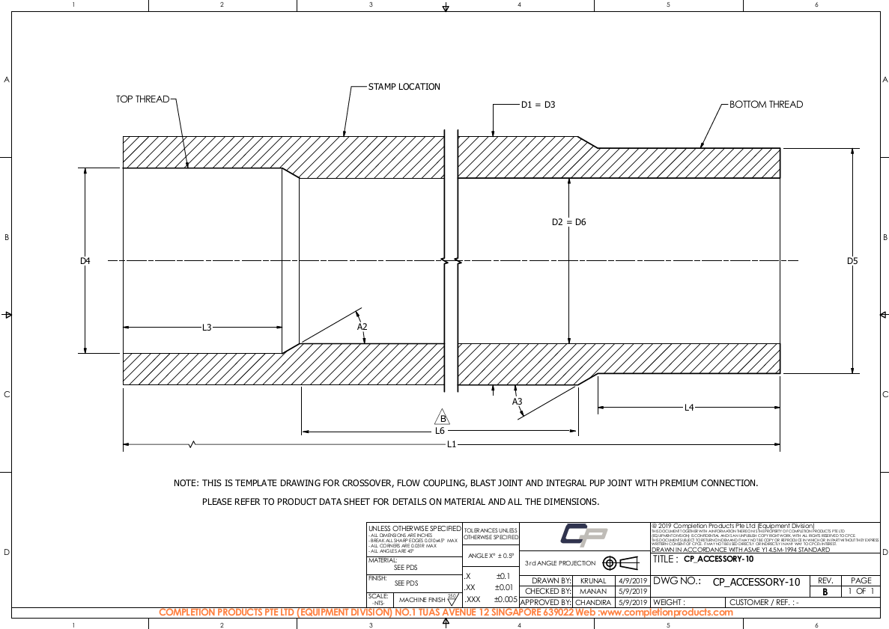
 |  | 0 | Engineer
 |  |  | Checker
 | QCP : |  | Approver

Part Number |  | Issue / Rev | Body
Drawing Number | CP_ACCESSORY-10 | Issue / Rev | OD | D1 |  | inch
Description |  |  | ID | D2 |  | inch
 |  |  | Overall Length | L1 |  | inch
 |  |  | Transition Length | L6 |  | inch

 |  |  | Top thread
OD (max) |  | inch | OD | D3 |  | inch
ID (min) |  | inch | ID | D4 |  | inch
Overall Length (max) |  | inch | Length (External) | L2 | NA | inch
 |  |  | Angle (External) | A1 | NA | deg
 |  |  | Length (Internal) | L3 |  | inch
Material |  |  | Angle (Internal) | A2 |  | deg
Operating Temperature |  | deg F
 | (For Ambient, use 70)
 |  |  | Bottom thread
Tensile @ deg F |  | lbs | OD | D5 |  | inch
Compression @ deg F |  | lbs | ID | D6 |  | inch
Burst @ deg F |  | psi | Length (External) | L4 |  | inch
Collapse @ deg F |  | psi | Angle (External) | A3 |  | deg
 |  |  | Length (Internal) | L5 | NA | inch
 |  |  | Angle (Internal) | A4 | NA | deg
Top thread
Top thread coating |  |  | NOTES:
Bottom thread
Bottom thread coating
Body coating
Drift size (w/42" length)
Quality Control Plan (QCP)
Inspection Document
Test Pressure
Test Fixture |  |  | Review # | QR-1

CP_ACCESSORY-12
 |  | A |  | Engineer
 |  |  |  | Checker
 | QCP : |  |  | Approver

Part Number |  | Issue / Rev | A | Body
Drawing Number | CP_ACCESSORY-12 | Issue / Rev | A | OD | D1 |  | inch
Description | CROSSOVER |  |  | ID | D2 |  | inch
 |  |  |  | Overall Length | L1 |  | inch
 |  |  |  | Transition Length | L6 |  | inch

 |  |  |  | Top thread
OD (max) |  | inch |  | OD | D3 |  | inch
ID (min) |  | inch |  | ID | D4 |  | inch
Overall Length (max) |  | inch |  | Length (External) | L2 | NA | inch
 |  |  |  | Angle (External) | A1 | NA | deg
 |  |  |  | Length (Internal) | L3 | NA | inch
Material |  |  |  | Angle (Internal) | A2 | NA | deg
Operating Temperature | 70 | deg F
 | (For Ambient, use 70)
 |  |  |  | Bottom thread
Tensile @ 70 deg F |  | lbs |  | OD | D5 |  | inch
Compression @ 70 deg F |  | lbs |  | ID | D6 |  | inch
Burst @ 70 deg F |  | psi |  | Length (External) | L4 |  | inch
Collapse @ 70 deg F |  | psi |  | Angle (External) | A3 |  | deg
 |  |  |  | Length (Internal) | L5 |  | inch
 |  |  |  | Angle (Internal) | A4 |  | deg
Top thread
Top thread coating |  |  |  | NOTES:
Bottom thread
Bottom thread coating
Body coating
Drift size (w/42" length) |  | inch
Quality Control Plan (QCP)
Inspection Document
Test Pressure
Test Fixture |  |  |  | Review #

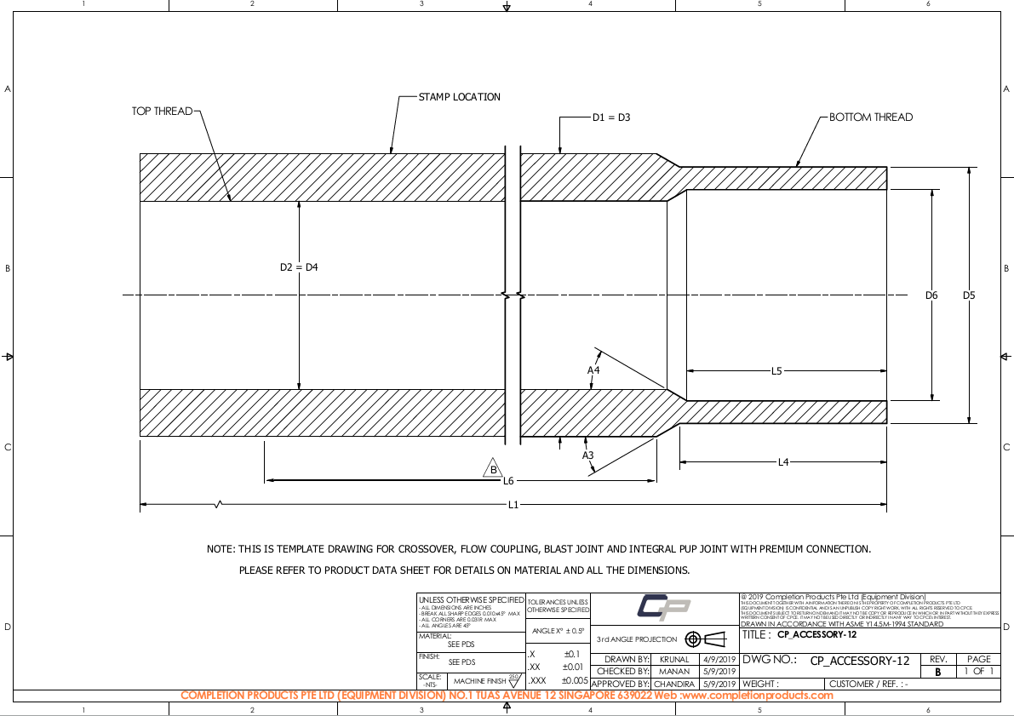

 |  |  |  |  |  |  |  | NACE COMPLIANT
 |  |  |  |  |  |  |  | POST WELD HEAT TREATMENT
 |  |  |  |  |  |  |  | ADD A REVISION NO.
 |  |  |  |  |  |  |  | ADD A COLUMN NO. FOR PQR

CP_ACCESSORY-20
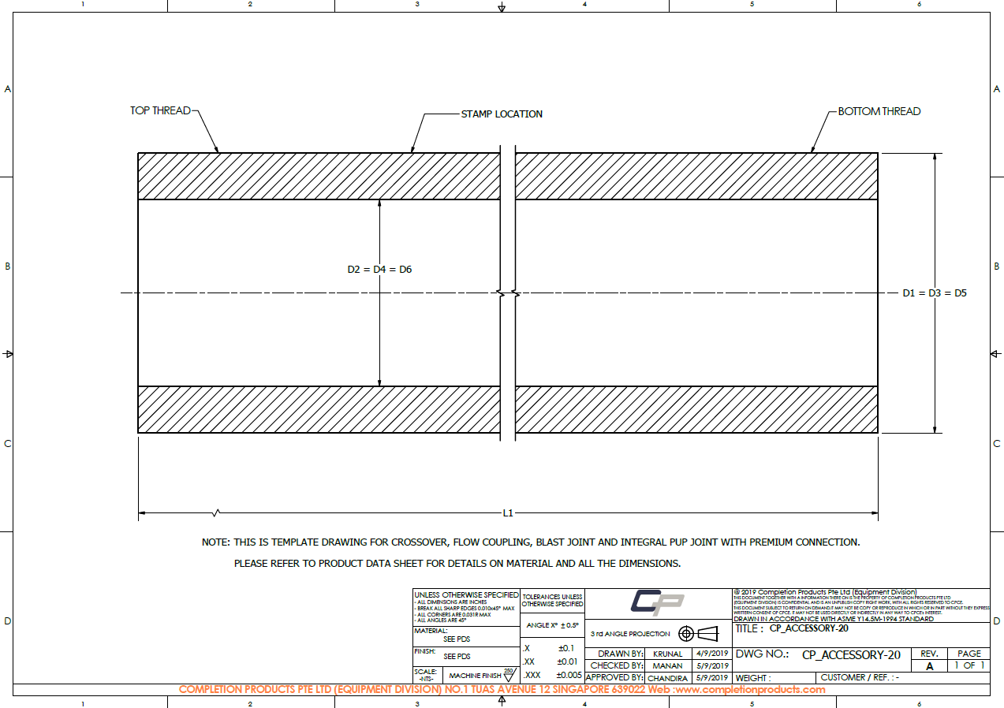
 | 0 | 0 |  | Engineer
 |  |  |  | Checker
 | QCP : |  |  | Approver

Part Number |  | Issue / Rev |  | Body
Drawing Number | CP_ACCESSORY-20 | Issue / Rev | A | OD | D1 | 0 | inch
Description |  |  |  | ID | D2 | 0 | inch
 | x , |  |  | Overall Length | L1 |  | inch

 |  |  |  | Top thread
OD (max) |  | inch |  | OD | D3 |  | inch
ID (min) |  | inch |  | ID | D4 |  | inch
Overall Length (max) |  | inch |  | Length (External) | L2 | NA | inch
 |  |  |  | Angle (External) | A1 | NA | deg
 |  |  |  | Length (Internal) | L3 | NA | inch
Material |  |  |  | Angle (Internal) | A2 | NA | deg
Operating Temperature | 70 | deg F
 | (For Ambient, use 70)
 |  |  |  | Bottom thread
Tensile @ 70 deg F |  | lbs |  | OD | D5 | 0 | inch
Compression @ 70 deg F |  | lbs |  | ID | D6 | 0 | inch
Burst @ 70 deg F |  | psi |  | Length (External) | L4 | NA | inch
Collapse @ 70 deg F |  | psi |  | Angle (External) | A3 | NA | deg
 |  |  |  | Length (Internal) | L5 | NA | inch
 |  |  |  | Angle (Internal) | A4 | NA | deg
Top thread
Top thread coating |  |  |  | NOTES:
Bottom thread
Bottom thread coating
Body coating
Drift size (w/42" length) |  | inch
Quality Control Plan (QCP)
Inspection Document
Test Pressure
Test Fixture |  |  |  | Review #

